"Search" Requirements
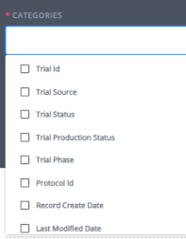
In the current version of STAR, the search function is limited to a small number of fields. For parity with Jedi, we need several more to be added.
 |  |  |  |  |  |  |  |  |  |  | Quick Search Options
Entity | Categories (data fields) to be Searchable | Display on Results Table? | Show as Default? |  | Operator | Category Title
Trialtrove | Trial ID | Yes | Yes |  |  |  | Current Search Options in Jedi - Trials
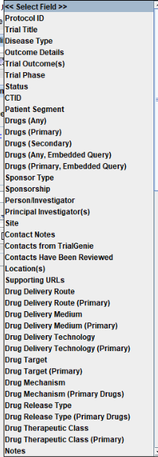
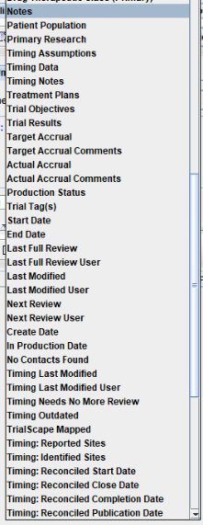
Trialtrove | Protocol ID | Yes | Yes
Trialtrove | Trial Title | Yes | Yes
Trialtrove | Therapeutic Area | Yes
Trialtrove | Disease type | Yes | Yes
Trialtrove | Patient Segment | Yes | Yes
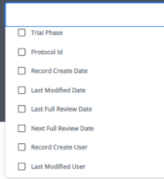
Trialtrove | Patient Population |  |  | not essential
Trialtrove | Trial Phase | Yes | Yes
Trialtrove | Trial Status | Yes | Yes
Trialtrove | Drug (any)
Trialtrove | Primary Drug | Yes | Yes
Trialtrove | Secondary Drug | Yes
Trialtrove | Sponsor | Yes | Yes
Trialtrove | Sponsor Type | Yes
Trialtrove | Location | Yes
Trialtrove | Trial Outcome | Yes
Trialtrove | Trial Outcome Details
Trialtrove | Start Date | Yes
Trialtrove | Primary Completion Date | Yes
Trialtrove | Study Keywords | Yes
Trialtrove | Trial Tags | Yes
Trialtrove | Production Status | Yes | Yes
Trialtrove | Last Modified Date | Yes
Trialtrove | Last Full Review Date | Yes
Trialtrove | Next Full Review Date | Yes
Trialtrove | Record Create Date | Yes
Trialtrove | Last Modified User
Trialtrove | Contacts Have Been Reviewed
Trialtrove | Reported Sites | Yes
Trialtrove | Identified Sites | Yes
Trialtrove | Primary Drug Target
Trialtrove | Primary Drug Mechanism
Trialtrove | Primary Drug Therapeutic Class |  |  | not essential
Trialtrove | Primary Drug Delivery Route |  |  | not essential
Trialtrove | Supporting URL(s)
Trialtrove | Target Accrual | Yes
Trialtrove | Actual Accrual | Yes
Trialtrove | Study Design |  |  | not essential
Trialtrove | Treatment Plan |  |  | not essential
Trialtrove | Inclusion Criteria |  |  | not essential
Trialtrove | Exclusion Criteria |  |  | not essential
Trialtrove | Trial Results
Trialtrove | Trial Notes
Trialtrove | Person/Investigator
Trialtrove | Site
Trialtrove | Contact Notes (for Sitetrove users)

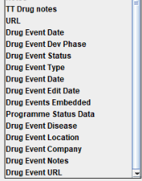
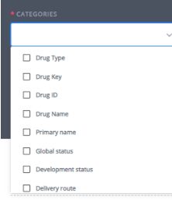
Drugs | Drug Key | Yes | Yes |  |  |  | Current Search Options in Jedi - Drugs |  |  | STAR - Quick Search
Drugs | Drug ID | Yes | Yes
Drugs | Drug Names | Yes | Yes
Drugs | Primary Drug Name (Y/N)
Drugs | Production Status | Yes | Yes
Drugs | Summary | Yes
Drugs | Therapeutic Class | Yes | Yes
Drugs | Therapeutic Class Status | Yes
Drugs | Mechanism | Yes | Yes
Drugs | Mechanism (Exclude Children) |  |  | not essential
Drugs | Target | Yes
Drugs | Manual Target Familes | Yes
Drugs | DPL Disease | Yes | Yes
Drugs | DPL Company | Yes | Yes
Drugs | DPL Originator/Licensee | Yes
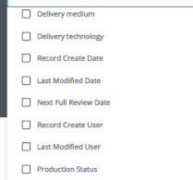
Drugs | DPL Originator/Licensee (incl Subsid) |  |  | not essential
Drugs | DPL Country | Yes | Yes
Drugs | DPL Current Status | Yes | Yes
Drugs | DPL Year Launched | Yes
Drugs | DPL Highest Status Reached | Yes
Drugs | Route | Yes | Yes
Drugs | Medium | Yes
Drugs | Technology | Yes
Drugs | Country Licensing Availability
Drugs | C-Base
Drugs | CAS Number |  |  | not essential
Drugs | NCE/NBE | Yes
Drugs | Last Full Review Date
Drugs | Last Full Review Date User
Drugs | Last Modified Date | Yes
Drugs | Last Modified User | Yes
Drugs | Next Review Date
Drugs | Development Status | Yes
Drugs | Global Status | Yes | Yes
Drugs | Latest Change Date | Yes
Drugs | Origin Of Material | Yes
Drugs | Marketing
Drugs | Phases
Drugs | Notes
Drugs | Drug Event Edit Date
Drugs | Drug Event Date
Drugs | Drug Event Type
Drugs | Drug Event Embedded
Drugs | Drug Event Notes
Drugs | Drug Event Disease
Drugs | Drug Event Company
Drugs | Drug Event Location
Drugs | Drug Event Status
Drugs | Supporting URL
Drugs | Preclinical | Yes
Drugs | Patent Number | Yes
Drugs | Latest Change Text | Yes
Drugs | Alert Chemistry Editor (Y/N)
Drugs | Programme Status data (Y/N)
Drugs | Licensing | Yes
Drugs | TT Drug Notes

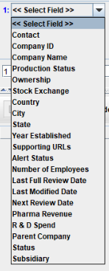
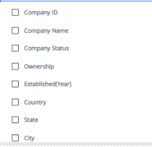
Company | Company Name | Yes | Yes |  |  |  | Current Search Options in Jedi - Companies
Company | Company ID | Yes | Yes |  |  |  |  |  | STAR - Quick Search
Company | Production Status | Yes | Yes
Company | Ownership | Yes
Company | City | Yes | Yes
Company | State | Yes | Yes
Company | Country | Yes | Yes
Company | Year Established | Yes
Company | Stock Exchange | Yes
Company | Alert Status | Yes
Company | Number of Employees |  |  | not essential
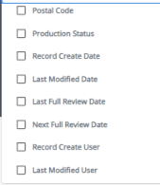
Company | Pharma Revenue |  |  | not essential
Company | R&D Spend |  |  | not essential
Company | Last Full Review Date
Company | Last Modified Date | Yes
Company | Next Review Date |  |  | not essential
Company | Notes
Company | Status
Company | Subsidiary

Person | Last Name | Yes | Yes
Person | First Name | Yes | Yes
Person | Middle Name | Yes | Yes
Person | Suffix | Yes |  |  |  |  | Current Search Options in Jedi - Person
Person | Trial Start Date
Person | Person ID | Yes | Yes
Person | Production Status | Yes | Yes |  |  |  |  |  | STAR - Quick Search
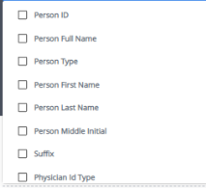
Person | Person Type | Yes | Yes
Person | Degree(s) | Yes
Person | Specialties | Yes | Yes
Person | Site Name | Yes | Yes
Person | Notes
Person | Phone Number
Person | Fax Number
Person | E-mail Address | Yes | Yes
Person | Evaluation
Person | URL
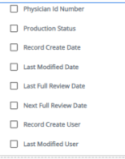
Person | Street Address 1
Person | Street Address 2
Person | City | Yes
Person | State | Yes
Person | Postal Code | Yes
Person | Country | Yes | Yes
Person | Last Modified Date | Yes
Person | Last Modified User
Person | Last Review Date
Person | Last Review User | Yes
Person | Next Review Date | Yes
Person | Next Review User
Person | FDA Action
Person | Therapeutic Area
Person | Disease Type
Person | Physician ID Number (NPI) | Yes
Person | Regulatory Action Date | Yes
Person | Regulatory Action Type | Yes
Person | Display Number of Trial Associations | Yes

Organization | Site Name | Yes | Yes
Organization | Site Type | Yes | Yes
Organization | Site ID | Yes | Yes |  |  |  | Current Search Options in Jedi - Organizations
Organization | Production Status | Yes | Yes
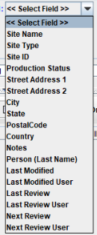
Organization | Street Address 1 | Yes | Yes |  |  |  |  | STAR - Quick Search
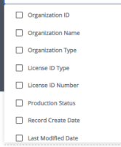
Organization | Street Address 2
Organization | City | Yes | Yes
Organization | State | Yes | Yes
Organization | Postal Code | Yes | Yes
Organization | Country | Yes | Yes
Organization | Notes | Yes
Organization | Person (Last Name)
Organization | Last Modified | Yes
Organization | Last Modified User
Organization | Last Review
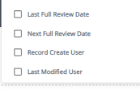
Organization | Last Review User
Organization | Next Review | Yes
Organization | Next Review User
Organization | License ID Number
Organization | Parent Org Name | Yes
Organization | Parent Org ID | Yes
Organization | Phone Number | Yes
Organization | Fax Number | Yes

